synonym relationships
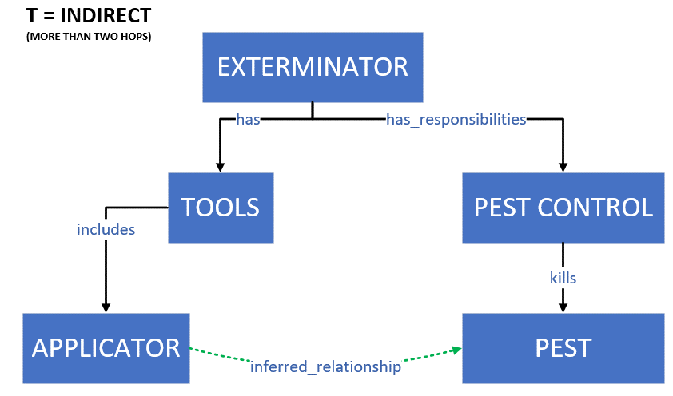
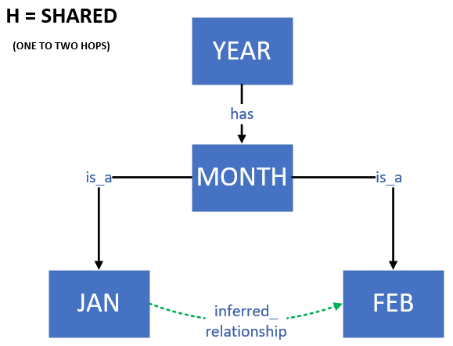
S = SYNONYM
N = NARROWER
B = BROADER
Z = NO RELATIONSHIP
M = STEMMED

H = SHARED (ONE OR TWO HOPS) (INCLUDED CO-HYPONYMS)
T = INDIRECT (MORE THAN TWO HOPS)
P = PHRASE

